Seating Guide
Seating Guide
Chair Type | Graphic | Diagram Color | Layer Name | Layer Description | Layer Color
Work Chairs | 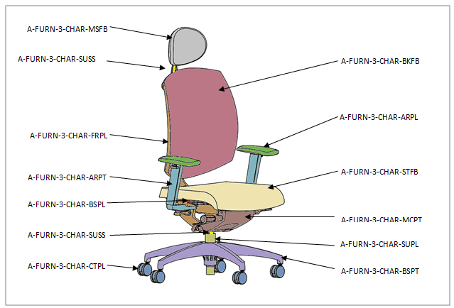 | Red | A-FURN-3-CHAR-BSPL | Base-Plastic | 19
 |  | Pink | A-FURN-3-CHAR-BKFB | Back-Fabric or Mesh | 5
 |  | Orange | A-FURN-3-CHAR-FRPL | Frame-Plastic | 19
 |  | Beige | A-FURN-3-CHAR-STFB | Seat-Fabric | 5
 |  | Light Green | A-FURN-3-CHAR-SUPL | Support-Plastic | 19
 |  | Yellow | A-FURN-3-CHAR-SUSS | Support-Stainless Steel | 4
 |  | Dark Green | A-FURN-3-CHAR-ARPL | Arm-Plastic | 19
 |  | Light Blue | A-FURN-3-CHAR-ARPT | Arm-Metal | 4
 |  | Dark Blue | A-FURN-3-CHAR-CTPL | Caster-Plastic | 19
 |  | Purple | A-FURN-3-CHAR-BSPL | Base-Plastic | 19
 |  | Brown | A-FURN-3-CHAR-MCPL | Mechanism-Plastic | 19
 |  | Grey | A-FURN-3-CHAR-MSFB | Miscellaneous-Fabric Headrest | 5
Multi-Use Chairs |  | Pink | A-FURN-3-CHAR-BYFB | Body-Fabric | 5
 |  | Orange | A-FURN-3-CHAR-LGLM | Leg-Laminate | 15
 |  | Beige | A-FURN-3-CHAR-STLM | Seat-Laminate | 15
 |  | Dark Green | A-FURN-3-CHAR-ARLM | Arm-Laminate | 15
Stacking Chairs |  | Pink | A-FURN-3-CHAR-BKFB | Back-Fabric or Mesh | 5
 |  | Beige | A-FURN-3-CHAR-STFB | Seat-Fabric | 5
 |  | Dark Green | A-FURN-3-CHAR-ARPL | Arm-Plastic | 19
 |  | Dark Blue | A-FURN-3-CHAR-SUPL | Support-Plastic | 19
 |  | Purple | A-FURN-3-CHAR-LGPT | Leg-Metal | 4
Soft Seatings | 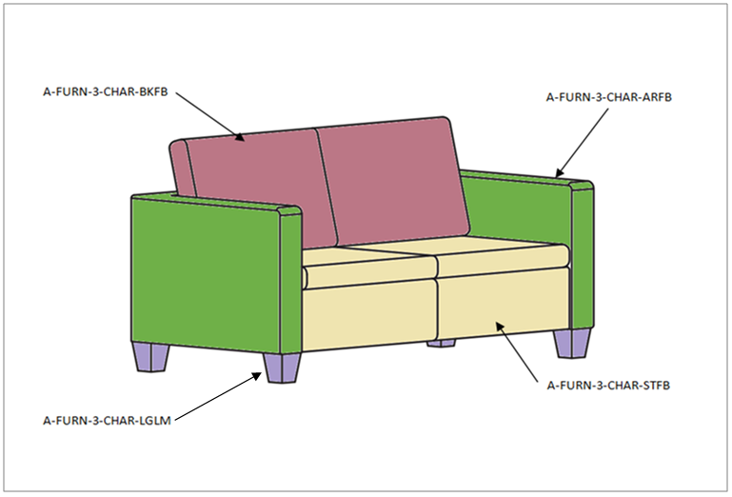 | Pink | A-FURN-3-CHAR-BKFB | Back-Fabric | 5
 |  | Beige | A-FURN-3-CHAR-STFB | Seat-Fabric | 5
 |  | Dark Green | A-FURN-3-CHAR-ARFB | Arm-Fabric | 5
 |  | Purple | A-FURN-3-CHAR-LGLM | Leg-Laminate | 15

Note:
Layer name: TK3SNAP_NODE Color: 2 (Yellow)

